표지
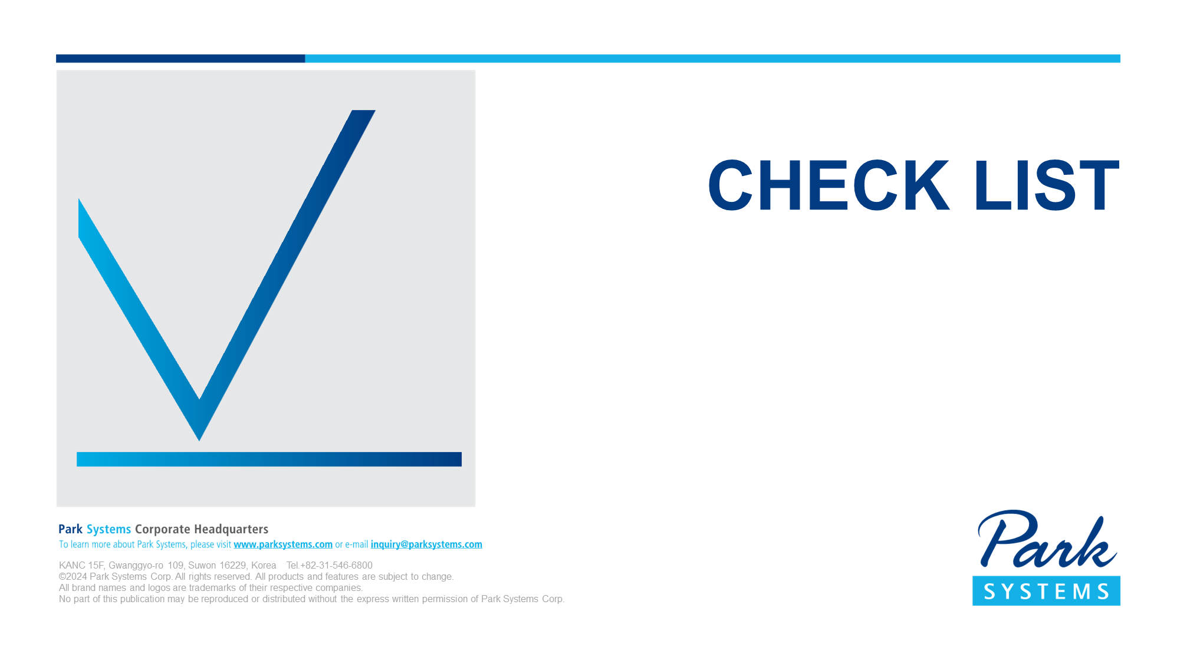

Park NX-Wafer
END USER: Huahong Grace Fab3 #2
SID No. : C160112-020725

